Admin FR Login - 1 Bug Report
Project Name | ORANGE HRM |  | PROJECT - ORANGE HRM (Admin Bug Report)
Module Name 1 | Admin FR 1 (Login), FR 2 (PIM)

Defect ID | Module Name | Build No | Description | TC_ID | Steps to replicate | Screenshot | Severity | Priority | Reported By | Assigned to | Resolution | Status | Fixed Date
ORHRM_001 | Orange HRM FR Login - 1 | 1 | Only showing error for Attachment size exceeded. Not showing the error for invalid file (.exe) format. | Orange HRM_TC33 | 1.Open browser. 2.Open URL https://opensource-demo.orangehrmlive.com 3.Enter valid Admin user name. 4.Provide valid Admin password. 5. Click on Login button 6. Click on PIM Tab 7. Click Add Employee 8. Enter Employee full name with middle name and last name including employee id 9. Click on + button to add image 10. Browse" and then select a file the relevant path 11. Click "Open" once you have select a .exe format file with more than 1 MB | 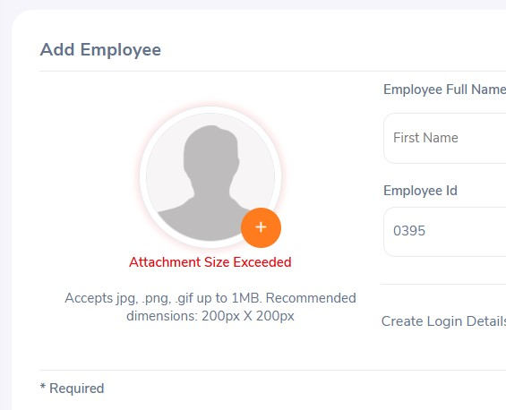 | S3 | P3 | Nithin | XXX | Accepted | In Progress
ORHRM_002 | Orange HRM FR Login - 1 | 1 | Autogenerating Employee Id when try to add new employee. Also changing automatically when refresh the page without completing the process of employee addition | Orange HRM_TC18 | 1.Open browser. 2.Open URL https://opensource-demo.orangehrmlive.com 3.Enter valid Admin user name. 4.Provide valid Admin password. 5. Click on Login button 6. Click on PIM Tab 7. Click Add Employee | 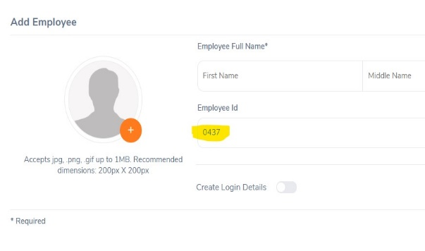 | S3 | P3 | Nithin | XXX | Accepted | In Progress
ORHRM_003 | Orange HRM FR Login - 1 | 1 | Attachment section is not allowing to attach more than one file. There is no button for add more attachment. We cannot select multiple files for upload. | Orange HRM_TC53 | 1.Open browser. 2.Open URL https://opensource-demo.orangehrmlive.com 3.Login to admin account 4.Click on PIM Tab 5.Click Add Employee 6. Enter Employee details 7. Click on save button 8. Enter the details as per requirement 9. Click Save button 10. Select blood type from dropdown list 11. Click on Save button 12. Click on browse button and select file upto 1MB 13. Click on Save button | 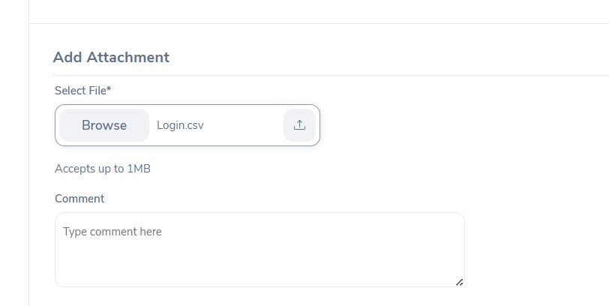 | S3 | P3 | Nithin | XXX | Accepted | In Progress
ORHRM_004 | Orange HRM FR Login - 1 | 1 | Failed to find the created profile through Employee list in PIM tab using Name, Employee id & Employment status etc. Showing as " No Records Found" | Orange HRM_TC53 | 1.Open browser. 2.Open URL https://opensource-demo.orangehrmlive.com 3.Login to admin account 4.Click on PIM Tab 5. Select Employee list in PIM Tab 6. Enter Name or Employee id 7. Click Search button | 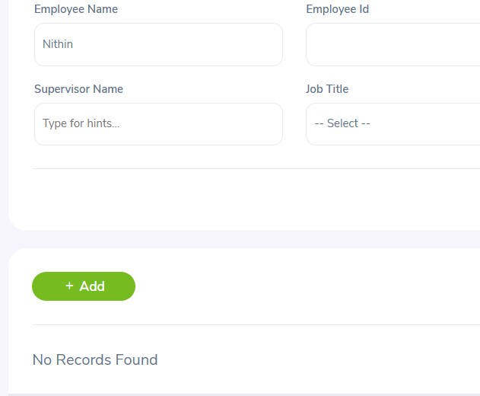 | S3 | P3 | Nithin | XXX | Accepted | In Progress

Guru Telecom Tariff - Bug Rep
Project Name | guru99.com |  | PROJECT - ORANGE HRM (Add Tariff Plan to Customer)
Module Name 1 | Guru Telecom Tariff

Defect ID | Module Name | Build No | Description | TC_ID | Steps to replicate | Screenshot | Severity | Priority | Reported By | Assigned to | Resolution | Status | Fixed Date
Telecom Tariff _001 | Telecom Tariff | 1 | Active tariff plan is showing in unapproved tariff list.Newly added plans will be shown in approved tariff list. But here its shown in wrong category. | Telecom Tariff _TC7 | 1.Open browser. 2.Open URL https://demo.guru99.com/telecom/index.html 3.Click on "Add Tariff Plan to Customer" 4.Enter valid customer id 5. Click on Submit button 6. Select/click radio button of approved tariff plan | 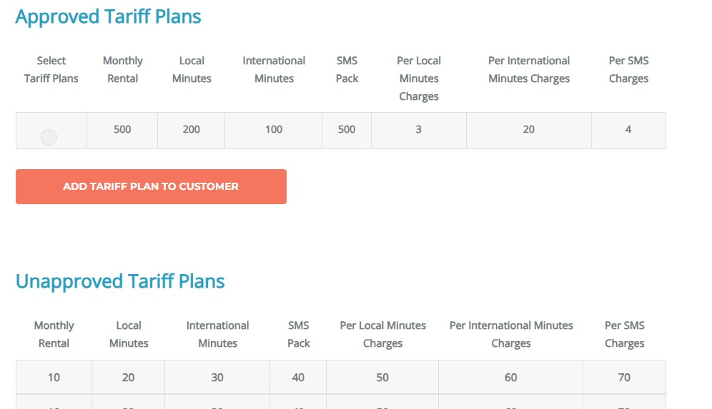 | S3 | P3 | Nithin | XXX | Accepted | In Progress
Telecom Tariff _002 | Telecom Tariff | 1 | Redirecting and able see the message of tarrif assigned sucessfully without even select atleast one tariff, when clicks on "ADD TARIFF PLAN TO CUSTOMER" Button from tarrif page | Telecom Tariff _TC8 | 1.Open browser. 2.Open URL https://demo.guru99.com/telecom/index.html 3.Click on "Add Tariff Plan to Customer" 4.Enter valid customer id 5. Click on Submit button 6. Select/click radio button of approved tariff plan 7. Click on "ADD TARIFF PLAN TO CUSTOMER" Button | 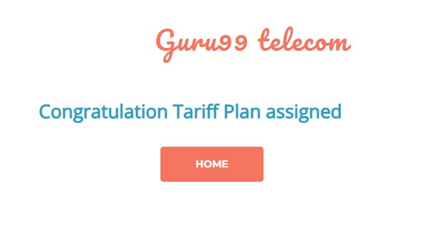 | S3 | P3 | Nithin | XXX | Accepted | In Progress

